ENGLAND
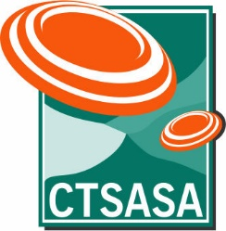
National Trials for Team Selection in 2027

ENGLISH SPORTING

As at 11th August 2026
TRIAL EVENTS/VENUE | EC 2026 | KZN 2026 | CG 2026 | FS 2026 | WC 2026 | SA 2026 | GN 2026 | EC 2027 | MP 2027 | Designated Event | Cut-off Date/Event | Total Scores Available | Scores to Count | LAST DATE TO REGISTER FOR TRIAL
TRIAL DATES | 11/12 APR | 23/24 MAY | 27/28 JUN | 22/23 AUG | 5/6 SEP | 19/20 SEP | 10/11 OCT | 30/31 JAN | 10/11 APR

TARGETS | 200 | 200 | 200 | 200 | 200 | 200 | 200 | 200 | 200 | 17th to 24th July 2027 | MP 2027 10/11 APRIL | 9 | 4 | 16th September 2026
 |  |  |  |  |  |  |  |  |  | CPSA World English Sporting Championship, England

 |  |  |  |  |  |  |  |  |  | 2026-08-11
 |  |  |  |  |  |  |  |  |  | The date for the WESP updated
 |  |  |  |  |  |  |  |  |  | Original date was 3rd to 10th July 2027

