Program 2026
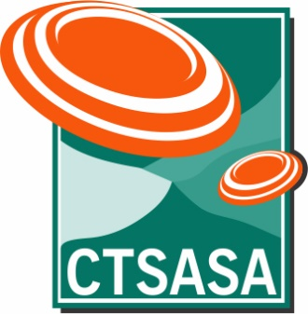
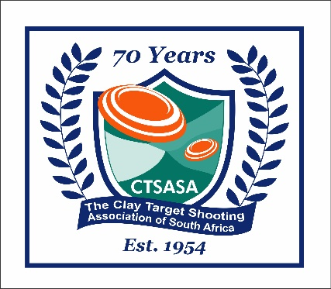
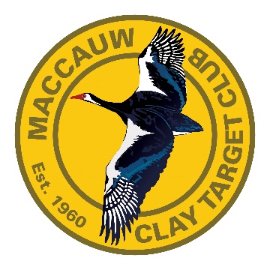
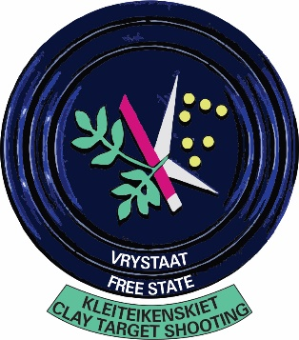
CTSASA South African Grand Program 2026
Maccauw Clay Target Club, Bloemfontein, Free State
Wednesday, 29th April to Sunday, 3rd May 2026

Important information:
1st 200 targets shot per discipline will count towards the SA Championships and National Trials
The third and fourth 100 targets shot in any discipline will count towards National Trials only

The Mackintosh Championship (Sunday 3rd May) is a separate Championship - this event is also a National Trial score AND it can be counted as an SA DTL score
No more than 100 Targets per discipline may be shot per day
The AM/PM squadding for each event will be at the Shoot Organiser's discretion, but we will try to accommodate wherever possible

DAY | START TIME | DISCIPLINE | Ranges | TARGETS | ENTRY FEES |  | COMMENTS
Tuesday, 28th April | AM/PM | Practice and registration |  |  | R130 per round of 25 targets
 |  | ATA, ATA Trap Doubles, DTL, UT, NSSA - practice

Wednesday, 29th April |  | Practice and registration
 | AM/PM | ATA, DTL, UT, NSSA - practice |  |  | Entry Fee - Seniors | Entry Fee - Juniors
 | PM | All Rounder : 25 ATA, 25 NSSA, 25 UT |  | 75 Targets | R 700.00 | R 700.00 | R50/entry goes into a prize pool
 | AM | Skeet Challenge - 75 targets |  | 25 NSSA Skeet/26 Skeet DBL/ 24 Skeet Shootoff format (Doubles on Stand 4,5,6 only) 75 Targets | R 700.00 | R 700.00 | Sudden Death Shoot-off Doubles on stand 4,5,6 R50/entry goes into a prize pool
 | AM | ATA Combo (25 Singles, 25 Handicap, 50 Doubles) |  | 100 targets | R 900.00 | R 900.00 | Portion of entry fee goes towards cash prizes
 | PM | SA NSSA Skeet Doubles |  | 100 targets (200 target event) | See Below | See Below
 | PM | SA ATA Trap Doubles |  | 100 targets (200 target event) | See Below | See Below

Thursday, 30th April | AM | Practice - NSSA
 | AM/PM | SA Universal Trench |  | 100 targets (200 target event) | See Below | See Below | 50 Targets per Range Compulsory
 | AM | SA ATA Trap |  | 100 targets (200 target event) | See Below | See Below
 | PM | SA NSSA Skeet Doubles |  | 100 targets (200 target event) | See Below | See Below
 | PM | SA ATA Trap Doubles |  | 100 targets (200 target event) | See Below | See Below

Friday, 1st May | AM/PM | SA Universal Trench |  | 100 targets (200 target event) | See Below | See Below | 50 Targets per Range Compulsory
 | PM | SA DTL Trap |  | 100 targets (200 target event) | See Below | See Below
 | AM/PM | SA NSSA Skeet |  | 100 targets (200 target event) | See Below | See Below | 50 Targets per Range Compulsory
 | PM | SA NSSA Skeet Doubles |  | 100 targets (200 target event) | See Below | See Below
 | AM | SA ATA Trap |  | 100 targets (200 target event) | See Below | See Below
 | PM | SA ATA Trap Doubles |  | 100 targets (200 target event) | See Below | See Below

Saturday, 2nd May | AM/PM | SA Universal Trench |  | 100 targets (200 target event) | See Below | See Below | 50 Targets per Range Compulsory
 | AM/PM | SA NSSA Skeet |  | 100 targets (200 target event) | See Below | See Below
 | PM | SA NSSA Skeet Doubles |  | 100 targets (200 target event) | See Below | See Below
 | AM | SA ATA Trap |  | 100 targets (200 target event) | See Below | See Below
 | PM | SA DTL Trap |  | 100 targets (200 target event) | See Below | See Below
 | PM | SA ATA Trap Doubles |  | 100 targets (200 target event) | See Below | See Below
 | PRIZE-GIVING : SA UT, SA ATA, SA ATA DOUBLES, JUNIOR DTL EVENT, JUNIOR UT AND ATA CHALLENGE TEAM EVENTS, ALL SIDE EVENTS
 | MACKINTOSH QUALIFIERS TO BE ANNOUNCED ON TUESDAY EVENING

Sunday, 3rd May | AM | SA NSSA Skeet |  | 100 targets (200 target event) | See Below | See Below
 | APPROX 11h00 | DTL Trap - Mackintosh Champs |  | Mackintosh Championship | R 900.00 | R 800.00 | Also counts as SA DTL score
 | PRIZE-GIVING : SA NSSA, & NSSA SKEET DOUBLES, SA DTL, MACKINTOSH, TRAP OVERALL HIGH GUN

EVENT NOTES |  |  |  |  | COMPETITION ENTRY FEES
Shooting timetable subject to change, depending upon entries |  |  |  |  | Entry Fees - South African National Championships
The AM/PM squadding will be at the Shoot Organiser's discretion, but we will try to accommodate wherever possible |  |  |  |  | Senior : 200 targets SA Championship entry fee - R1,800.00
Colts cannot be in the Colt and the Junior categories in the same event/championship |  |  |  |  | Junior : 200 targets SA Championship entry fee - R1,600.00
Competitors may not shoot 200 of the same discipline in one day |  |  |  |  | Colt Fees : 100 targets R800 (shoot 50 targets per day over 2 days)
ATA Trap, DTL Trap and ATA Trap Doubles can be shot on the same day (100 of each) if required
If you enter for NSSA Skeet, Universal Trench or Skeet doubles you can only enter 1 other discipline on the same day. |  |  |  |  | Trial entry fee : 3rd 100 targets
 |  |  |  |  | Senior : 100 target trial entry fee - R900.00
 |  |  |  |  | Junior : 100 target trial entry fee - R800.00

 |  |  |  |  | Mackintosh Championship fees
 |  |  |  |  | Mackintosh Championship : Senior - R900, Junior R800 - also counts as an SA DTL score
 |  |  |  |  | Colt Fee Mackintosh : R400 (50 targets one day)

