Entry Form
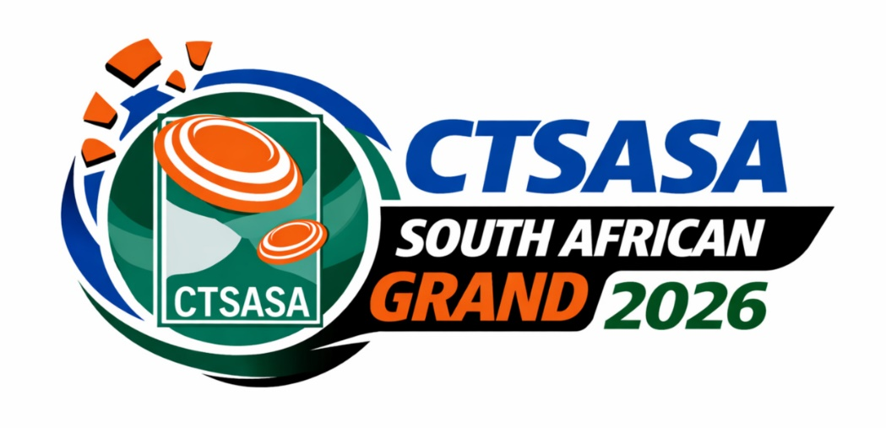

29th April to 3rd May 2026
Hosted by Maccauw Clay Target Club, Bloemfontein
www.ctsasa.co.za

ENTRY FORM

First Name
Surname
CTSASA No.
Date of Birth
Category*
Email Address
Contact Number
Cell Number

* Category | See Tab below for all the different age limits for the various disciplines

 | NB: For the SA Championship events, choose two of the three or four days available
 | Each SA Championship is 200 targets, 100 targets per day
 | The first 200 targets you shoot will be for the SA Champs, subsequent targets will be for national trial purposes only

 |  |  |  | Enter
 |  | Senior | Junior | Fee to
Event No. | Events | Fee | Fee | Select event
1 | All Rounder : 25 ATA, 25 NSSA, 25 UT (Wed 29th April) | R 700.00 | R 700.00
2 | Skeet Challenge - Thursday - 75 targets (Wed 29th April) | R 700.00 | R 700.00
3 | ATA Combo (25 singles, 25 Handicap, 50 Doubles) Wed 29th April | R 900.00 | R 900.00
4 | SA ATA Championship - Thursday | R 900.00 | R 800.00
5 | SA ATA Championship - Friday | R 900.00 | R 800.00
6 | SA ATA Championship - Saturday | R 900.00 | R 800.00
7 | SA ATA Doubles Championship - Wednesday | R 900.00 | R 800.00
8 | SA ATA Doubles Championship - Thursday | R 900.00 | R 800.00
9 | SA ATA Doubles Championship - Friday | R 900.00 | R 800.00
10 | SA ATA Doubles Championship - Saturday | R 900.00 | R 800.00
11 | SA DTL Championship - Friday | R 900.00 | R 800.00
12 | SA DTL Championship - Saturday | R 900.00 | R 800.00
13 | Mackintosh Championship (now counts as an SA DTL score)** | R 900.00 | R 800.00
14 | SA Universal Trench Championship - Thursday | R 900.00 | R 800.00
15 | SA Universal Trench Championship - Friday | R 900.00 | R 800.00
16 | SA Universal Trench Championship - Saturday | R 900.00 | R 800.00
17 | SA NSSA Skeet Championship - Friday | R 900.00 | R 800.00
18 | SA NSSA Skeet Championship - Saturday | R 900.00 | R 800.00
19 | SA NSSA Skeet Championship - Sunday | R 900.00 | R 800.00
20 | SA NSSA Skeet Doubles Championship - Wednesday | R 900.00 | R 800.00
21 | SA NSSA Skeet Doubles Championship - Thursday | R 900.00 | R 800.00
22 | SA NSSA Skeet Doubles Championship - Friday | R 900.00 | R 800.00
23 | SA NSSA Skeet Doubles Championship - Saturday | R 900.00 | R 800.00
 | Colt fees : R800 for 100 targets (50 targets per day to be shot over 2 days)
 | ** see program for updated rules for the Mackintosh Championship!
 | SEE NEXT TAB FOR BANK DETAILS | Total Entry Fees |  | R 0.00

The full program is in this file in the PROGRAM worksheet (see the tab below)
Practice fees : R160 per 25 targets

Enquiries and Entries
Please send your entry form to Jenny Swanton - swanton@mweb.co.za - 081 470 4634

Program
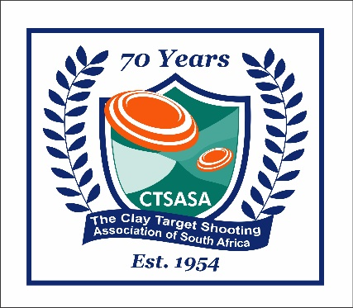
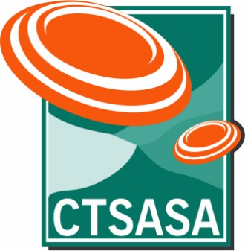
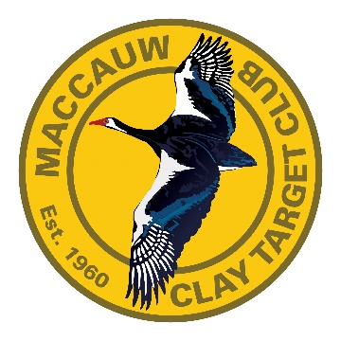
CTSASA South African Grand Program 2026
Maccauw Clay Target Club, Bloemfontein, Free State
Wednesday, 29th April to Sunday, 3rd May 2026

Important information:
1st 200 targets shot per discipline will count towards the SA Championships and National Trials
The third and fourth 100 targets shot in any discipline will count towards National Trials only

The Mackintosh Championship (Sunday 3rd May) is a separate Championship - this event is also a National Trial score AND it can be counted as an SA DTL score
No more than 100 Targets per discipline may be shot per day
The AM/PM squadding for each event will be at the Shoot Organiser's discretion, but we will try to accommodate wherever possible

DAY | START TIME | DISCIPLINE | Ranges | TARGETS | ENTRY FEES |  | COMMENTS
Tuesday, 28th April | AM/PM | Practice and registration |  |  | R130 per round of 25 targets
 |  | ATA, ATA Trap Doubles, DTL, UT, NSSA - practice

Wednesday, 29th April |  | Practice and registration
 | AM/PM | ATA, DTL, UT, NSSA - practice |  |  | Entry Fee - Seniors | Entry Fee - Juniors
 | PM | All Rounder : 25 ATA, 25 NSSA, 25 UT |  | 75 Targets | R 700.00 | R 700.00 | R50/entry goes into a prize pool
 | AM | Skeet Challenge - 75 targets |  | 25 NSSA Skeet/26 Skeet DBL/ 24 Skeet Shootoff format (Doubles on Stand 4,5,6 only) 75 Targets | R 700.00 | R 700.00 | Sudden Death Shoot-off Doubles on stand 4,5,6 R50/entry goes into a prize pool
 | AM | ATA Combo (25 Singles, 25 Handicap, 50 Doubles) |  | 100 targets | R 900.00 | R 900.00 | Portion of entry fee goes towards cash prizes
 | PM | SA NSSA Skeet Doubles |  | 100 targets (200 target event) | See Below | See Below
 | PM | SA ATA Trap Doubles |  | 100 targets (200 target event) | See Below | See Below

Thursday, 30th April | AM | Practice - NSSA
 | AM/PM | SA Universal Trench |  | 100 targets (200 target event) | See Below | See Below | 50 Targets per Range Compulsory
 | AM | SA ATA Trap |  | 100 targets (200 target event) | See Below | See Below
 | PM | SA NSSA Skeet Doubles |  | 100 targets (200 target event) | See Below | See Below
 | PM | SA ATA Trap Doubles |  | 100 targets (200 target event) | See Below | See Below

Friday, 1st May | AM/PM | SA Universal Trench |  | 100 targets (200 target event) | See Below | See Below | 50 Targets per Range Compulsory
 | PM | SA DTL Trap |  | 100 targets (200 target event) | See Below | See Below
 | AM/PM | SA NSSA Skeet |  | 100 targets (200 target event) | See Below | See Below | 50 Targets per Range Compulsory
 | PM | SA NSSA Skeet Doubles |  | 100 targets (200 target event) | See Below | See Below
 | AM | SA ATA Trap |  | 100 targets (200 target event) | See Below | See Below
 | PM | SA ATA Trap Doubles |  | 100 targets (200 target event) | See Below | See Below

Saturday, 2nd May | AM/PM | SA Universal Trench |  | 100 targets (200 target event) | See Below | See Below | 50 Targets per Range Compulsory
 | AM/PM | SA NSSA Skeet |  | 100 targets (200 target event) | See Below | See Below
 | PM | SA NSSA Skeet Doubles |  | 100 targets (200 target event) | See Below | See Below
 | AM | SA ATA Trap |  | 100 targets (200 target event) | See Below | See Below
 | PM | SA DTL Trap |  | 100 targets (200 target event) | See Below | See Below
 | PM | SA ATA Trap Doubles |  | 100 targets (200 target event) | See Below | See Below
 | PRIZE-GIVING : SA UT, SA ATA, SA ATA DOUBLES, JUNIOR DTL EVENT, JUNIOR UT AND ATA CHALLENGE TEAM EVENTS, ALL SIDE EVENTS
 | MACKINTOSH QUALIFIERS TO BE ANNOUNCED ON TUESDAY EVENING

Sunday, 3rd May | AM | SA NSSA Skeet |  | 100 targets (200 target event) | See Below | See Below
 | APPROX 11h00 | DTL Trap - Mackintosh Champs |  | Mackintosh Championship | R 900.00 | R 800.00 | Also counts as SA DTL score
 | PRIZE-GIVING : SA NSSA, & NSSA SKEET DOUBLES, SA DTL, MACKINTOSH, TRAP OVERALL HIGH GUN

EVENT NOTES |  |  |  |  | COMPETITION ENTRY FEES
Shooting timetable subject to change, depending upon entries |  |  |  |  | Entry Fees - South African National Championships
The AM/PM squadding will be at the Shoot Organiser's discretion, but we will try to accommodate wherever possible |  |  |  |  | Senior : 200 targets SA Championship entry fee - R1,800.00
Colts cannot be in the Colt and the Junior categories in the same event/championship |  |  |  |  | Junior : 200 targets SA Championship entry fee - R1,600.00
Competitors may not shoot 200 of the same discipline in one day |  |  |  |  | Colt Fees : 100 targets R800 (shoot 50 targets per day over 2 days)
...

